Project4111
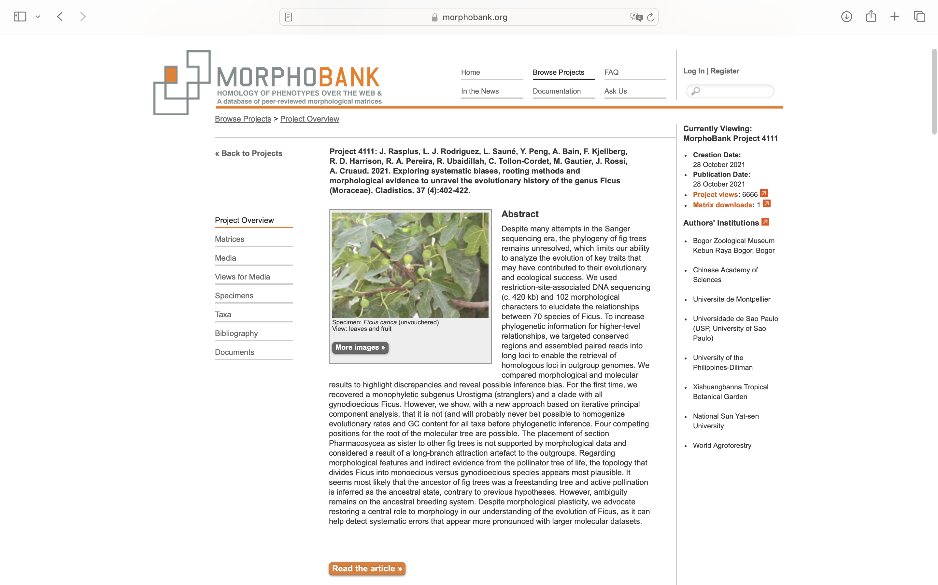
Charlabels | Character Pattern | Unseen States
[1] 'Growth habit' | Transformational | YES
[2] 'Deciduousness' | Transformational | NO
[3] 'Tree height' | Transformational | YES
[4] 'Buttress' | Neomorphic | NO
[5] 'Size of buttress' | Transformational | YES
[6] 'Aerial roots' | Neomorphic | NO
[7] 'Length of aerial roots' | Transformational | YES
[8] 'Growth of branches' | Transformational | YES
[9] 'Intermittent growth of branches' | Neomorphic | NO
[10] 'Breeding system' | Transformational | YES
[11] 'Pollination syndrome' | Transformational | YES
[12] 'Internode structure' | Transformational | YES
[13] 'Twig glands' | Neomorphic | NO
[14] 'Periderm of leafy twig' | Transformational | YES
[15] 'Indumentum of leafy twig' | Transformational | YES
[16] 'Color of latex' | Transformational | YES
[17] 'Stipule length' | Transformational | YES
[18] 'Persistence of stipule' | Transformational | YES
[19] 'Indumentum of stipule' | Transformational | YES
[20] 'Stipule' | Transformational | YES
[21] 'Phyllotaxis' | Transformational | YES
[22] 'Shape of lamina' | Transformational | NO
[23] 'Relative width of lamina compared to length' | Transformational | YES
[24] 'Lobe on lamina' | Neomorphic | NO
[25] 'Shape of juvenile lamina' | Transformational | YES
[26] 'Bathyphyll' | Neomorphic | NO
[27] 'Lamina thickness' | Transformational | YES
[28] 'Lamina base' | Transformational | YES
[29] 'Lamina margin' | Transformational | YES
[30] 'Indumentum of adaxial and abaxial surfaces of leaf epidermis' | Transformational | YES
[31] 'Number of basal veins' | Transformational | NO
[32] 'Branching of basal veins' | Neomorphic | NO
[33] 'Relative length of basal pair of veins' | Transformational | NO
[34] 'Mid rib' | Transformational | YES
[35] 'Number of lateral veins' | Transformational | YES
[36] 'Furcation of lateral veins' | Neomorphic | NO
[37] 'Tertiary venation' | Transformational | YES
[38] 'Structure of tertiary venation' | Transformational | YES
[39] 'Wax glands' | Neomorphic | NO
[40] 'Number of wax glands' | Transformational | NO
[41] 'Position of wax glands' | Transformational | YES
[42] 'Position of axillary wax glands' | Transformational | YES
[43] 'Cystolith' | Neomorphic | NO
[44] 'Occurrence of cystolith' | Transformational | YES
[45] 'Articulation of leaf' | Neomorphic | NO
[46] 'Indumentum of petiole' | Transformational | YES
[47] 'Epidermis of petiole' | Transformational | YES
[48] 'Structure of inflorescence' | Transformational | YES
[49] 'Inflorescence position' | Transformational | YES
[50] 'Ramiflory' | Transformational | YES
[51] 'Length of branchlet' | Transformational | YES
[52] 'Grouping of inflorescences' | Transformational | YES
[53] 'Syconium lumen' | Transformational | NO
[54] 'Peduncle of inflorescence' | Neomorphic | NO
[55] 'Colour of syconium or inflorescence at maturity' | Transformational | YES
[56] 'Colored spots on syconium' | Neomorphic | NO
[57] 'Syconium or inflorescence size' | Transformational | YES
[58] 'Syconium stipe' | Neomorphic | NO
[59] 'Apex of fig' | Transformational | YES
[60] 'Indumentum of syconium' | Transformational | YES
[61] 'Syconium surface' | Transformational | YES
[62] 'Lateral bracts on syconium' | Neomorphic | NO
[63] 'Involucral bracts' | Neomorphic | NO
[64] 'Position of involucral bracts' | Transformational | YES
[65] 'Number of involucral bracts' | Transformational | YES
[66] 'Persistence of involucral bracts' | Transformational | YES
[67] 'Indumentum of involucral bracts' | Transformational | YES
[68] 'Number of ostiolar bracts' | Transformational | YES
[69] 'Innermost ostiolar bracts' | Transformational | YES
[70] 'Interfloral bracts' | Neomorphic | NO
[71] 'Interfloral bracts - 2' | Transformational | YES
[72] 'Position of staminate flowers' | Transformational | YES
[73] 'Number of stamen rings' | Transformational | NO
[74] 'Pedicel of staminate flowers' | Neomorphic | NO
[75] 'Maximum number of stamens' | Transformational | YES
[76] 'Anthers' | Transformational | NO
[77] 'Anther locule' | Transformational | YES
[78] 'Connation of staminate perianth' | NT?;0=0-;1=11;2=12
[79] 'Margin of perianth pistillate or staminate' | Transformational | YES
[80] 'Coloration of perianth' | Transformational | YES
[81] 'Pistillode' | Neomorphic | NO
[82] 'Pistillate flowers' | Transformational | YES
[83] 'Pistillate flowers - 2' | Transformational | NO
[84] 'Connation of pistillate perianth' | NT?;0=0-;1=11;2=12
[85] 'Indumentum of pistillate perianth' | Transformational | YES
[86] 'Shape of stigma in short styled pistillate flowers SSF' | Transformational | YES
[87] 'Shape of bifid stigma in SSF' | Transformational | YES
[88] 'Shape of simple stigma in SSF' | Transformational | YES
[89] 'Shape of stigma in long styled pistillate flowers LSF' | Transformational | YES
[90] 'Shape of bifid stigma in LSF' | Transformational | YES
[91] 'Shape of simple stigma in LSF' | Transformational | YES
[92] 'Pedicels of pistillate flowers' | Transformational | YES
[93] 'Style hairiness' | Transformational | YES
[94] 'Color of ovary' | Transformational | YES
[95] 'Fruit shape' | Transformational | YES
[96] 'Endosperm' | Neomorphic | NO
[97] 'Fruit size' | Transformational | YES
[98] 'Fruit shape - 2' | Transformational | YES
[99] 'Fruit surface' | Transformational | YES
[100] 'Fruit keel' | Neomorphic | NO
[101] 'Number of fruit keel' | Transformational | YES
[102] 'Prominence of fruit keel' | Neomorphic | NO

